Metallurgical Inspection @AEG
METALLURGICAL EXAMINATION RESULTS

 | Customer: |  | PSM Thomassen Gulf |  |  |  | Machine Type: |  |  | MS 6001
 | Customer Ref. No.: |  | To follow |  |  |  | Quantity p. Set: |  |  | 10
 | AEG. Ref. No: |  | B802918RE010 |  |  |  | EOH: |  |  | Not Provided
 | AEG. Job. No: |  | 7253 |  |  |  | Remarks: |  |  | N/A

 | Sample nr. | Description |  |  | S/N or part nr. |  | Sample location |  | Material |  | Result
 | MS 6849C | Transition Piece |  |  | 213017 - 429 |  | Exhaust Side |  | Nimonic-263 |  | See comment
 |  |  |  |  |  |  | Coating |  | Type of Coating
 |  |  |  |  |  |  | Yes |  | TBC

 | Material Composition (Nominal) wt% | Alloy |  | Ni | Cr | Co | Mo | Al | Ti | C
 |  | Ni-263 |  | 51 | 20 | 20 | 5.9 | 0.5 | 2.1 | 0.06

 | Material Composition (Actual) wt% | Alloy |  | Ni | Cr | Co | Mo | Al | Ti | Mn
 |  | Ni-263 |  | 53.31 | 17.78 | 19.69 | 6.5 | / | 2.1 | 0.30

 | Comment:

 | The micrographic analysis of a sample taken from the exhaust side was carried out to assess the condition of the serviced material (Nimonic-263). The examination showed that the thermal barrier coating (TBC) layer is partially depleted, with the remaining thickness measured at 0.114 mm for the top coat and 0.051 mm for the bond coat and oxidation with 0.040 mm thickness, as shown in the micrographs (pics. 1–2). The material primarily exhibits fine carbide precipitates distributed throughout the matrix, as shown in pic. 4.

Oxidation
 |  |  |  |  |  |  | 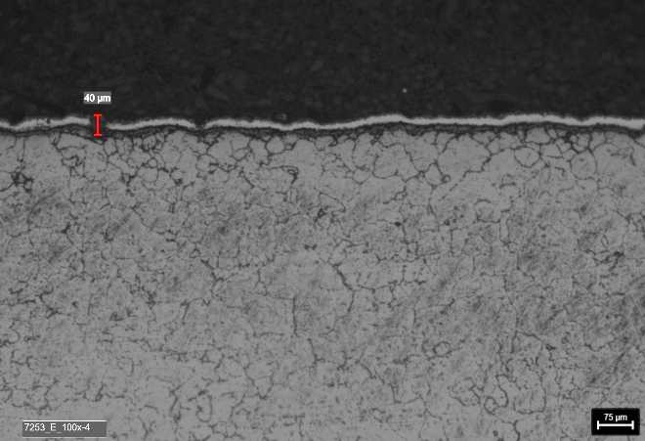

 | Picture 1: | Micrograph- General 25x Etched |  |  |  |  | Picture 2: |  | Micrograph- Inner wall side 100x Oxalic Acid Etched

 | 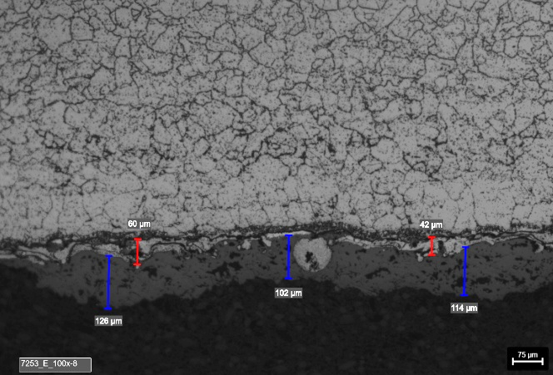

Bond coat

Top Coat

 | Picture 3: | Micrograph- Outer wall side 100x Oxalic Acid Etched |  |  |  |  | Picture 4: |  | Micrograph- Middle Wall 500x Oxalic Acid Etched

Remarks: |  | Met. Lab: |  | Berenice Gaviola |  |  | Mat.Engineer: |  | K. Badri / A. Eslam |  |  | Date: | 2025-11-18

